Fire resistance cable HT
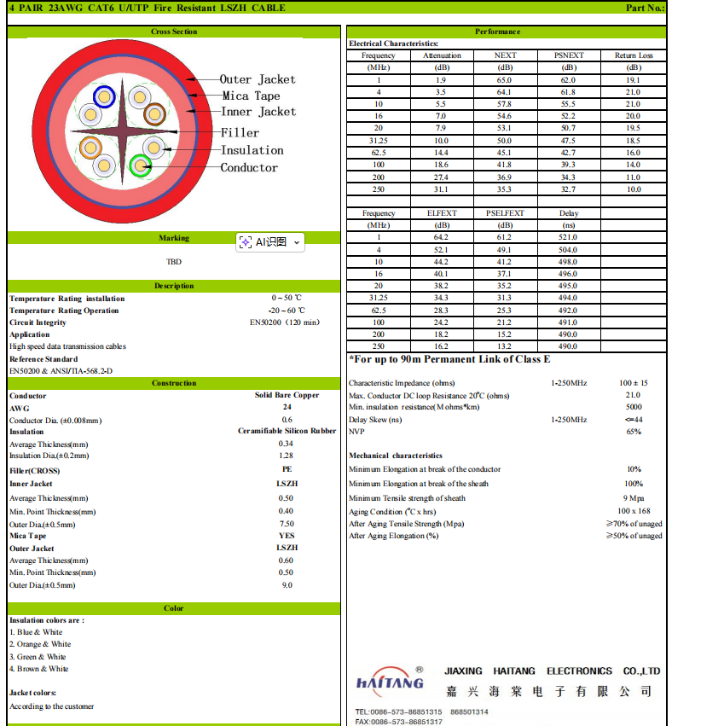
2026.1.20
Price: RMB/KM, FOB SHANGHAI，

HAITANG | Description | Jacket | CPR | PACKAGE | Copper weight kgs/km | Diff | 70000 | 71000 | 72000 | 73000 | 74000 | 75000 | 76000 | 77000 | 78000 | 79000 | 80000 | 81000 | 82000 | 83000 | 84000 | 85000 | 86000 | 87000 | 88000 | 89000 | 90000 | 91000 | 92000 | 93000 | 94000 | 95000 | 96000 | 97000 | 98000 | 99000 | 100000 | 101000 | 102000 | 103000 | 104000 | 105000 | 106000 | 107000 | 108000 | 109000 | 110000 | 111000 | 112000 | 113000 | 114000 | 115000 | 116000 | 117000 | 118000 | 119000 | 120000 | 121000 | 122000 | 123000 | 124000 | 125000 | 126000 | 127000 | 128000 | 129000 | 130000 | 131000 | 132000 | 133000 | 134000 | 135000 | 136000 | 137000 | 138000 | 139000 | 140000
UTP6 | 4x2X（1/0.60BC+0.96硅橡胶+1.28PE)+十字骨架+7.5LSZH+云母带+9.0LSZH | LSZH | Dca | 500M Drum | 21.50 | ¥21.50 | ¥3,470.54 | ¥3,492.04 | ¥3,513.54 | ¥3,535.04 | ¥3,556.54 | ¥3,578.04 | ¥3,599.54 | ¥3,621.04 | ¥3,642.54 | ¥3,664.04 | ¥3,685.54 | ¥3,707.04 | ¥3,728.54 | ¥3,750.04 | ¥3,771.54 | ¥3,793.04 | ¥3,814.54 | ¥3,836.04 | ¥3,857.54 | ¥3,879.04 | ¥3,900.54 | ¥3,922.04 | ¥3,943.54 | ¥3,965.04 | ¥3,986.54 | ¥4,008.04 | ¥4,029.54 | ¥4,051.04 | ¥4,072.54 | ¥4,094.04 | ¥4,115.54 | ¥4,137.04 | ¥4,158.54 | ¥4,180.04 | ¥4,201.54 | ¥4,223.04 | ¥4,244.54 | ¥4,266.04 | ¥4,287.54 | ¥4,309.04 | ¥4,330.54 | ¥4,352.04 | ¥4,373.54 | ¥4,395.04 | ¥4,416.54 | ¥4,438.04 | ¥4,459.54 | ¥4,481.04 | ¥4,502.54 | ¥4,524.04 | ¥4,545.54 | ¥4,567.04 | ¥4,588.54 | ¥4,610.04 | ¥4,631.54 | ¥4,653.04 | ¥4,674.54 | ¥4,696.04 | ¥4,717.54 | ¥4,739.04 | ¥4,760.54 | ¥4,782.04 | ¥4,803.54 | ¥4,825.04 | ¥4,846.54 | ¥4,868.04 | ¥4,889.54 | ¥4,911.04 | ¥4,932.54 | ¥4,954.04 | ¥4,975.54
UTP6 | 4x2X（1/0.60BC+0.96硅橡胶+1.28PE)+十字骨架+7.5LSZH+云母带+9.0LSZH | LSZH | Cca | 500M Drum | 21.50 | ¥21.50 | ¥3,574.66 | ¥3,596.16 | ¥3,617.66 | ¥3,639.16 | ¥3,660.66 | ¥3,682.16 | ¥3,703.66 | ¥3,725.16 | ¥3,746.66 | ¥3,768.16 | ¥3,789.66 | ¥3,811.16 | ¥3,832.66 | ¥3,854.16 | ¥3,875.66 | ¥3,897.16 | ¥3,918.66 | ¥3,940.16 | ¥3,961.66 | ¥3,983.16 | ¥4,004.66 | ¥4,026.16 | ¥4,047.66 | ¥4,069.16 | ¥4,090.66 | ¥4,112.16 | ¥4,133.66 | ¥4,155.16 | ¥4,176.66 | ¥4,198.16 | ¥4,219.66 | ¥4,241.16 | ¥4,262.66 | ¥4,284.16 | ¥4,305.66 | ¥4,327.16 | ¥4,348.66 | ¥4,370.16 | ¥4,391.66 | ¥4,413.16 | ¥4,434.66 | ¥4,456.16 | ¥4,477.66 | ¥4,499.16 | ¥4,520.66 | ¥4,542.16 | ¥4,563.66 | ¥4,585.16 | ¥4,606.66 | ¥4,628.16 | ¥4,649.66 | ¥4,671.16 | ¥4,692.66 | ¥4,714.16 | ¥4,735.66 | ¥4,757.16 | ¥4,778.66 | ¥4,800.16 | ¥4,821.66 | ¥4,843.16 | ¥4,864.66 | ¥4,886.16 | ¥4,907.66 | ¥4,929.16 | ¥4,950.66 | ¥4,972.16 | ¥4,993.66 | ¥5,015.16 | ¥5,036.66 | ¥5,058.16 | ¥5,079.66
UTP6 | 4x2X（1/0.60BC+0.96硅橡胶+1.28PE)+十字骨架+7.5LSZH+云母带+9.0LSZH | LSZH | B2ca | 500M Drum | 21.50 | ¥21.50 | ¥3,681.92 | ¥3,703.42 | ¥3,724.92 | ¥3,746.42 | ¥3,767.92 | ¥3,789.42 | ¥3,810.92 | ¥3,832.42 | ¥3,853.92 | ¥3,875.42 | ¥3,896.92 | ¥3,918.42 | ¥3,939.92 | ¥3,961.42 | ¥3,982.92 | ¥4,004.42 | ¥4,025.92 | ¥4,047.42 | ¥4,068.92 | ¥4,090.42 | ¥4,111.92 | ¥4,133.42 | ¥4,154.92 | ¥4,176.42 | ¥4,197.92 | ¥4,219.42 | ¥4,240.92 | ¥4,262.42 | ¥4,283.92 | ¥4,305.42 | ¥4,326.92 | ¥4,348.42 | ¥4,369.92 | ¥4,391.42 | ¥4,412.92 | ¥4,434.42 | ¥4,455.92 | ¥4,477.42 | ¥4,498.92 | ¥4,520.42 | ¥4,541.92 | ¥4,563.42 | ¥4,584.92 | ¥4,606.42 | ¥4,627.92 | ¥4,649.42 | ¥4,670.92 | ¥4,692.42 | ¥4,713.92 | ¥4,735.42 | ¥4,756.92 | ¥4,778.42 | ¥4,799.92 | ¥4,821.42 | ¥4,842.92 | ¥4,864.42 | ¥4,885.92 | ¥4,907.42 | ¥4,928.92 | ¥4,950.42 | ¥4,971.92 | ¥4,993.42 | ¥5,014.92 | ¥5,036.42 | ¥5,057.92 | ¥5,079.42 | ¥5,100.92 | ¥5,122.42 | ¥5,143.92 | ¥5,165.42 | ¥5,186.92
耐火等级：EN50200 | 过敲击测试（淋水测试暂时不确定，没测过）
电气性能：90M链路
暂无认证，现有CPR证书不能用，不符合
Pass EN50200 with shock test, but not test for the water spray test.
90m fluke link test
No certificate for EN50200, the prices will check and offer later on for qualification cost.
No CPR certificate at this stage for those cables, and if it’s interesting and there is market, maker then will go to apply for it.

